Class Diagram
UserBean
(Class)
Flight Bean
(Class)
Flight Schedule (Class)

Admin Bean (Class)
Customer Bean (Class)
Carrier Bean
(Class)
Flight Booking (Class)

FlightDao
(Abstract Class or Interface)
CarrierDao
(Abstract Class or Interface)

FlightDAOArrayListImplemetation
FlightDAOMapImplementation
FlightDAODatabaseImplementation
CarrierDAOArrayListImplemetation
CarrierDAODatabaseImplementation

FlightScheduleDao
(Abstract Class or Interface)
FlightBookingDao
(Abstract Class or Interface)

FlightDAOArrayListImplemetation
(Class)
FlightDAODatabase
Implementation
(Class)
FlightDAOArrayListImplemetation
(Class)
FlightDAODatabase
Implementation
(Class)

Architecture
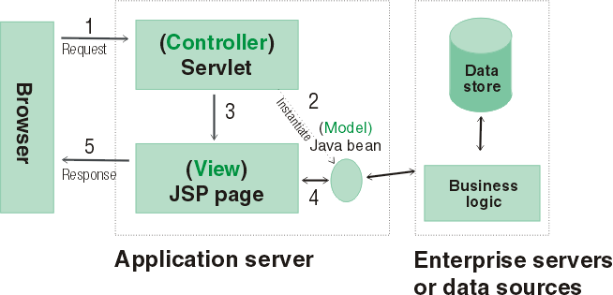
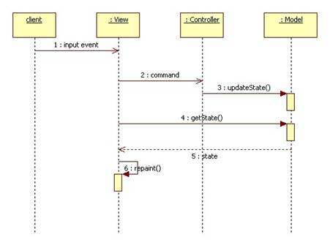
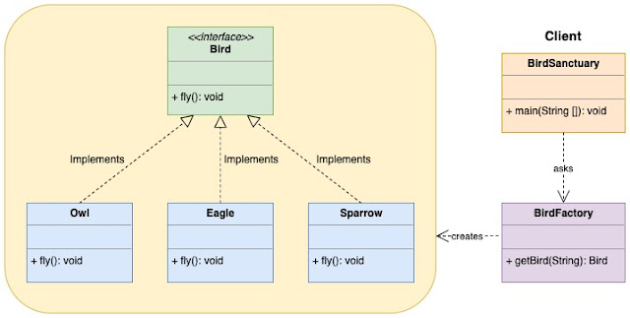
MVC Architecture

